BEST table
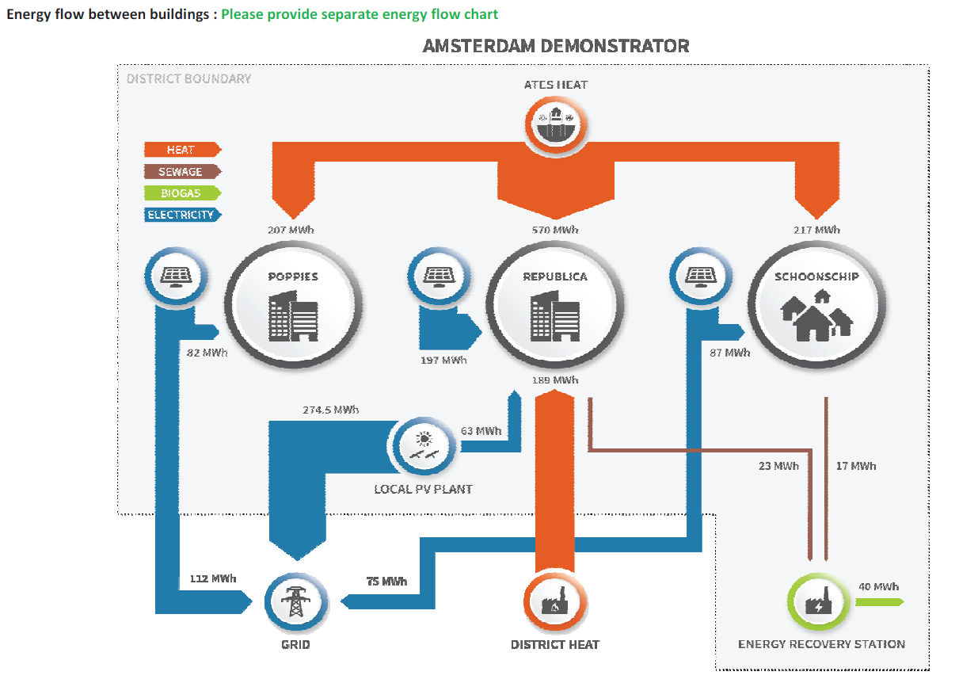
skip |  |  |  |  | net energy need for
Poppies | new, retrofitted | year of construction/retrofit | use type | floor area (m2) | space heating, cooling and air conditioning (kWh/m2/y) | space heating, cooling and air conditioning (kWh/y) | hot water (kWhe/y) | lighting (kWhe/m2/y) | lighting (kWhe/y) | appliances (kWh/m2/y) | appliances (kWhe/m2/y) | sub-total net energy need (kWh/y)
Building 1 | new | 2020 | tertiary | 2112 | 33.5 | 70699 | 27354 | 3 | 6336 |  |  | 104388
Building 2 | new | 2020 | residential | 168 | 28.5 | 4784 | 2680 | 0.8 | 134 |  |  | 7598
Building 3 | new | 2020 | residential | 1560 | 28.5 | 44421 | 24884 | 0.8 | 1248 |  |  | 70553
Building 4 | new | 2020 | residential | 696 | 28.5 | 19818 | 11102 | 0.8 | 557 |  |  | 31477
Building 5 | new | 2020 | residential | 348 | 28.5 | 9909 | 5551 | 0.8 | 278 |  |  | 15739
Building 6 | new | 2020 | residential | 180 | 28.5 | 5125 | 2871 | 0.8 | 144 |  |  | 8141
Building 7 | new | 2020 | residential | 966 | 28.5 | 27507 | 15409 | 0.8 | 773 |  |  | 43689
Building 8 | new | 2020 | residential | 156 | 28.5 | 4442 | 2488 | 0.8 | 125 |  |  | 7055
Total |  |  |  | 6186 | 29.1 | 186,705 | 92,339 | 1.1 | 9,595 |  |  | 288,640
 |  |  |  |  |  | Total heat supply from ATES system (eith heat pump?) | 279044 | <= this was entered as the heat supply from ATES system
Local RES
Poppies | Photovoltaic (kWp) | Photovoltaic (kWh/y) | ATES heat (kWh/y)
Building 1 | 78 | 66275 | 70596
Building 2 | 6.2 | 5272 | 5616
Building 3 | 57.6 | 48953 | 52145
Building 4 | 25.7 | 21841 | 23265
Building 5 | 12.8 | 10920 | 11632
Building 6 | 6.6 | 5649 | 6017
Building 7 | 35.7 | 30313 | 32290
Building 8 | 5.8 | 4895 | 5215
Total | 228.4 | 194,119 | 206,776 | <= this was considered pure heat energy from ATES, without the electricity consumption for the heat pump to adjust the heat to the right temperature. Although the CoP of the heat pump looks very low (reference: 2.6 to 4.2 with the averge CoP of 3.6 https://www.sciencedirect.com/science/article/pii/S2210670719319237)
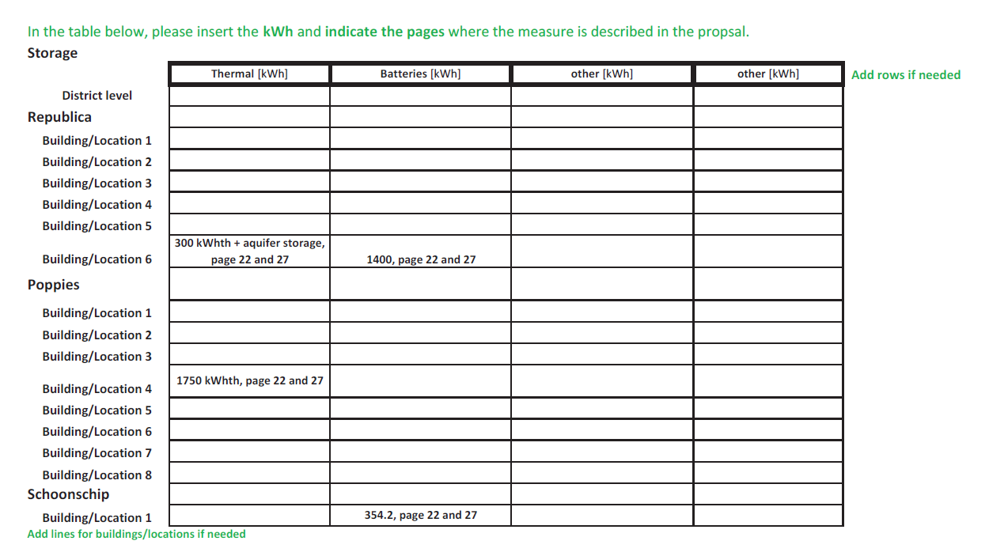
 | PV avg. annual yield | 850 | kWh/kWp/y
 |  | 33% | of self consumption rate is assumed for PV as there is no electricity storage.
 | onsite consumption of electricity from PV | 64,059 | kWh/y
 | total electricity consumption from grid | 17,805 | kWh/y

